Sales
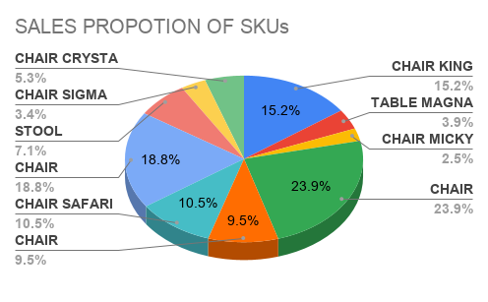
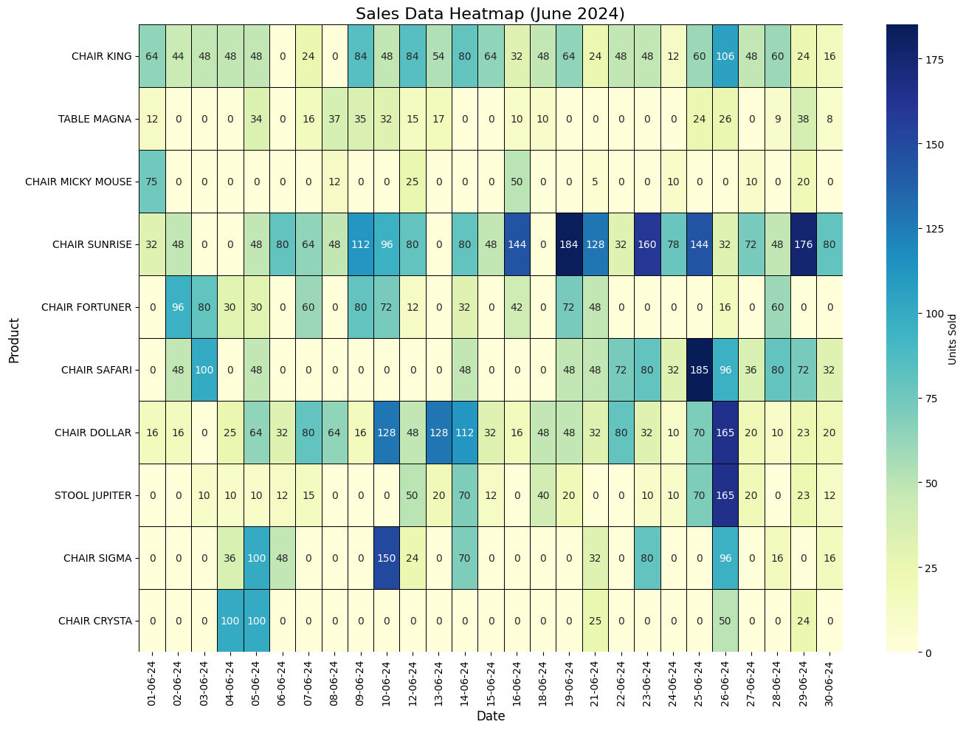
 |  |  |  | SALES(QUANTITY) |  |  |  |  |  |  |  |  |  |  | REVENUE
DATE | CHAIR KING | TABLE MAGNA | CHAIR MICKY MOUSE | CHAIR SUNRISE | CHAIR FORTUNER | CHAIR SAFARI | CHAIR DOLLAR | STOOL JUPITER | CHAIR SIGMA | CHAIR CRYSTA | TOTAL SALES | CHAIR KING | TABLE MAGNA | CHAIR MICKY MOUSE | CHAIR SUNRISE | CHAIR FORTUNER | CHAIR SAFARI | CHAIR DOLLAR | STOOL JUPITER | CHAIR SIGMA | CHAIR CRYSTA | TOTAL REVENUE | DATE
2024-06-01 | 64 | 12 | 75 | 32 | 0 | 0 | 16 | 0 | 0 | 0 | 199 | ₹12,864 | ₹2,328 | ₹6,600 | ₹5,312 | ₹0 | ₹0 | ₹2,944 | ₹0 | ₹0 | ₹0 | ₹30,048 | 2024-06-01
2024-06-02 | 44 | 0 | 0 | 48 | 96 | 48 | 16 | 0 | 0 | 0 | 252 | ₹8,844 | ₹0 | ₹0 | ₹7,968 | ₹27,360 | ₹11,760 | ₹2,944 | ₹0 | ₹0 | ₹0 | ₹58,876 | 2024-06-02
2024-06-03 | 48 | 0 | 0 | 0 | 80 | 100 | 0 | 10 | 0 | 0 | 238 | ₹9,648 | ₹0 | ₹0 | ₹0 | ₹22,800 | ₹24,500 | ₹0 | ₹900 | ₹0 | ₹0 | ₹57,848 | 2024-06-03
2024-06-04 | 48 | 0 | 0 | 0 | 30 | 0 | 25 | 10 | 36 | 100 | 249 | ₹9,648 | ₹0 | ₹0 | ₹0 | ₹8,550 | ₹0 | ₹4,600 | ₹900 | ₹7,380 | ₹21,500 | ₹52,578 | 2024-06-04
2024-06-05 | 48 | 34 | 0 | 48 | 30 | 48 | 64 | 10 | 0 | 100 | 382 | ₹9,648 | ₹6,596 | ₹0 | ₹7,968 | ₹8,550 | ₹11,760 | ₹11,776 | ₹900 | ₹0 | ₹21,500 | ₹78,698 | 2024-06-05
2024-06-06 | 0 | 0 | 0 | 80 | 0 | 0 | 32 | 12 | 48 | 0 | 172 | ₹0 | ₹0 | ₹0 | ₹13,280 | ₹0 | ₹0 | ₹5,888 | ₹1,080 | ₹9,840 | ₹0 | ₹30,088 | 2024-06-06
2024-06-07 | 24 | 16 | 0 | 64 | 60 | 0 | 80 | 15 | 0 | 0 | 259 | ₹4,824 | ₹3,104 | ₹0 | ₹10,624 | ₹17,100 | ₹0 | ₹14,720 | ₹1,350 | ₹0 | ₹0 | ₹51,722 | 2024-06-07
2024-06-08 | 0 | 37 | 12 | 48 | 0 | 0 | 64 | 0 | 0 | 0 | 161 | ₹0 | ₹7,178 | ₹1,056 | ₹7,968 | ₹0 | ₹0 | ₹11,776 | ₹0 | ₹0 | ₹0 | ₹27,978 | 2024-06-08
2024-06-09 | 84 | 35 | 0 | 112 | 80 | 0 | 16 | 0 | 0 | 0 | 327 | ₹16,884 | ₹6,790 | ₹0 | ₹18,592 | ₹22,800 | ₹0 | ₹2,944 | ₹0 | ₹0 | ₹0 | ₹68,010 | 2024-06-09
2024-06-10 | 48 | 32 | 0 | 96 | 72 | 0 | 128 | 0 | 0 | 150 | 526 | ₹9,648 | ₹6,208 | ₹0 | ₹15,936 | ₹20,520 | ₹0 | ₹23,552 | ₹0 | ₹0 | ₹32,250 | ₹108,114 | 2024-06-10
2024-06-12 | 84 | 15 | 25 | 80 | 12 | 0 | 48 | 50 | 24 | 0 | 338 | ₹16,884 | ₹2,910 | ₹2,200 | ₹13,280 | ₹3,420 | ₹0 | ₹8,832 | ₹4,500 | ₹4,920 | ₹0 | ₹56,946 | 2024-06-12
2024-06-13 | 54 | 17 | 0 | 0 | 0 | 0 | 128 | 20 | 0 | 0 | 219 | ₹10,854 | ₹3,298 | ₹0 | ₹0 | ₹0 | ₹0 | ₹23,552 | ₹1,800 | ₹0 | ₹0 | ₹39,504 | 2024-06-13
2024-06-14 | 80 | 0 | 0 | 80 | 32 | 48 | 112 | 70 | 36 | 0 | 458 | ₹16,080 | ₹0 | ₹0 | ₹13,280 | ₹9,120 | ₹11,760 | ₹20,608 | ₹6,300 | ₹7,380 | ₹0 | ₹84,528 | 2024-06-14
2024-06-15 | 64 | 0 | 0 | 48 | 0 | 0 | 32 | 12 | 0 | 0 | 156 | ₹12,864 | ₹0 | ₹0 | ₹7,968 | ₹0 | ₹0 | ₹5,888 | ₹1,080 | ₹0 | ₹0 | ₹27,800 | 2024-06-15
2024-06-16 | 32 | 10 | 50 | 144 | 42 | 100 | 16 | 0 | 0 | 0 | 394 | ₹6,432 | ₹1,940 | ₹4,400 | ₹23,904 | ₹11,970 | ₹24,500 | ₹2,944 | ₹0 | ₹0 | ₹0 | ₹76,090 | 2024-06-16
2024-06-18 | 48 | 10 | 0 | 0 | 0 | 0 | 48 | 40 | 0 | 0 | 146 | ₹9,648 | ₹1,940 | ₹0 | ₹0 | ₹0 | ₹0 | ₹8,832 | ₹3,600 | ₹0 | ₹0 | ₹24,020 | 2024-06-18
2024-06-19 | 64 | 0 | 5 | 184 | 72 | 48 | 48 | 20 | 0 | 0 | 441 | ₹12,864 | ₹0 | ₹440 | ₹30,544 | ₹20,520 | ₹11,760 | ₹8,832 | ₹1,800 | ₹0 | ₹0 | ₹86,760 | 2024-06-19
2024-06-21 | 24 | 0 | 0 | 128 | 0 | 48 | 32 | 0 | 32 | 25 | 289 | ₹4,824 | ₹0 | ₹0 | ₹21,248 | ₹0 | ₹11,760 | ₹5,888 | ₹0 | ₹6,560 | ₹5,375 | ₹55,655 | 2024-06-21
2024-06-22 | 48 | 0 | 0 | 32 | 0 | 0 | 72 | 10 | 48 | 0 | 210 | ₹9,648 | ₹0 | ₹0 | ₹5,312 | ₹0 | ₹0 | ₹13,248 | ₹900 | ₹9,840 | ₹0 | ₹38,948 | 2024-06-22
2024-06-23 | 48 | 6 | 0 | 160 | 60 | 48 | 80 | 0 | 32 | 0 | 434 | ₹9,648 | ₹1,164 | ₹0 | ₹26,560 | ₹17,100 | ₹11,760 | ₹14,720 | ₹0 | ₹6,560 | ₹0 | ₹87,512 | 2024-06-23
2024-06-24 | 12 | 0 | 10 | 78 | 0 | 0 | 32 | 10 | 0 | 0 | 142 | ₹2,412 | ₹0 | ₹880 | ₹12,948 | ₹0 | ₹0 | ₹5,888 | ₹900 | ₹0 | ₹0 | ₹23,028 | 2024-06-24
2024-06-25 | 60 | 24 | 0 | 144 | 0 | 0 | 185 | 70 | 0 | 24 | 507 | ₹12,060 | ₹4,656 | ₹0 | ₹23,904 | ₹0 | ₹0 | ₹34,040 | ₹6,300 | ₹0 | ₹5,160 | ₹86,120 | 2024-06-25
2024-06-26 | 106 | 26 | 0 | 32 | 16 | 160 | 96 | 165 | 0 | 50 | 651 | ₹21,306 | ₹5,044 | ₹0 | ₹5,312 | ₹4,560 | ₹39,200 | ₹17,664 | ₹14,850 | ₹0 | ₹10,750 | ₹118,686 | 2024-06-26
2024-06-27 | 48 | 0 | 10 | 72 | 60 | 80 | 36 | 20 | 0 | 0 | 326 | ₹9,648 | ₹0 | ₹880 | ₹11,952 | ₹17,100 | ₹19,600 | ₹6,624 | ₹1,800 | ₹0 | ₹0 | ₹67,604 | 2024-06-27
2024-06-28 | 60 | 9 | 0 | 48 | 60 | 128 | 80 | 10 | 16 | 0 | 411 | ₹12,060 | ₹1,746 | ₹0 | ₹7,968 | ₹17,100 | ₹31,360 | ₹14,720 | ₹900 | ₹3,280 | ₹0 | ₹89,134 | 2024-06-28
2024-06-29 | 24 | 38 | 20 | 176 | 0 | 0 | 72 | 23 | 0 | 0 | 353 | ₹4,824 | ₹7,372 | ₹1,760 | ₹29,216 | ₹0 | ₹0 | ₹13,248 | ₹2,070 | ₹0 | ₹0 | ₹58,490 | 2024-06-29
2024-06-30 | 16 | 8 | 0 | 80 | 0 | 32 | 32 | 20 | 16 | 0 | 204 | ₹3,216 | ₹1,552 | ₹0 | ₹13,280 | ₹0 | ₹7,840 | ₹5,888 | ₹1,800 | ₹3,280 | ₹0 | ₹36,856 | 2024-06-30
TOTAL | 1280 | 329 | 207 | 2014 | 802 | 888 | 1590 | 597 | 288 | 449 |  | ₹257,280 | ₹63,826 | ₹18,216 | ₹334,324 | ₹228,570 | ₹217,560 | ₹292,560 | ₹53,730 | ₹59,040 | ₹96,535 | ₹1,621,641
 |  |  |  |  |  |  |  |  |  |  |  | CHAIR KING | TABLE MAGNA | CHAIR MICKY MOUSE | CHAIR SUNRISE | CHAIR FORTUNER | CHAIR SAFARI | CHAIR DOLLAR | STOOL JUPITER | CHAIR SIGMA | CHAIR CRYSTA
DAILY REVENUE TREND
MONTHLY REVENUE OF SKU's
REVENUE WISE BREAKDOWN OF SKU's
 |  |  |  |  |  |  |  |  |  |  |  |  |  |  |  |  |  |  |  |  | Standard Deviation | ₹26,435
 |  |  |  |  |  |  |  |  |  |  |  |  |  |  |  |  |  |  |  |  | Average Daily Sales | ₹60,061
 |  |  |  |  |  |  |  |  |  |  |  |  |  |  |  |  |  |  |  |  | Maximum Sale | ₹118,686
 |  |  |  |  |  |  |  |  |  |  |  |  |  |  |  |  |  |  |  |  | Minimum Sale | ₹23,028

Inventory
Inventory Vs Sales
 |  | Purchasing Dates
SKU | Initial Inventory | 2024-06-03 | 2024-06-21 | End Inventory | Average Inventory | Average Sales | SKU
CHAIR KING | 256 | 960 | 400 | 336 | 1616 | 1280 | CHAIR KING
TABLE MAGNA | 30 | 250 | 200 | 151 | 480 | 329 | TABLE MAGNA
CHAIR MICKY MOUSE | 100 | 150 | 150 | 193 | 400 | 207 | CHAIR MICKY MOUSE
CHAIR SUNRISE | 160 | 1500 | 1200 | 846 | 2860 | 2014 | CHAIR SUNRISE
CHAIR FORTUNER | 240 | 660 | 400 | 498 | 1300 | 802 | CHAIR FORTUNER
CHAIR SAFARI | 208 | 432 | 560 | 312 | 1200 | 888 | CHAIR SAFARI
CHAIR DOLLAR | 176 | 1040 | 1200 | 826 | 2416 | 1590 | CHAIR DOLLAR
STOOL JUPITER | 60 | 300 | 300 | 63 | 660 | 597 | STOOL JUPITER
CHAIR SIGMA | 60 | 84 | 208 | 124 | 352 | 288 | CHAIR SIGMA
CHAIR CRYSTA | 0 | 350 | 500 | 401 | 850 | 449 | CHAIR CRYSTA
Average Inventory Over the Month
Average Sales Over the Month

PL
Average Profit
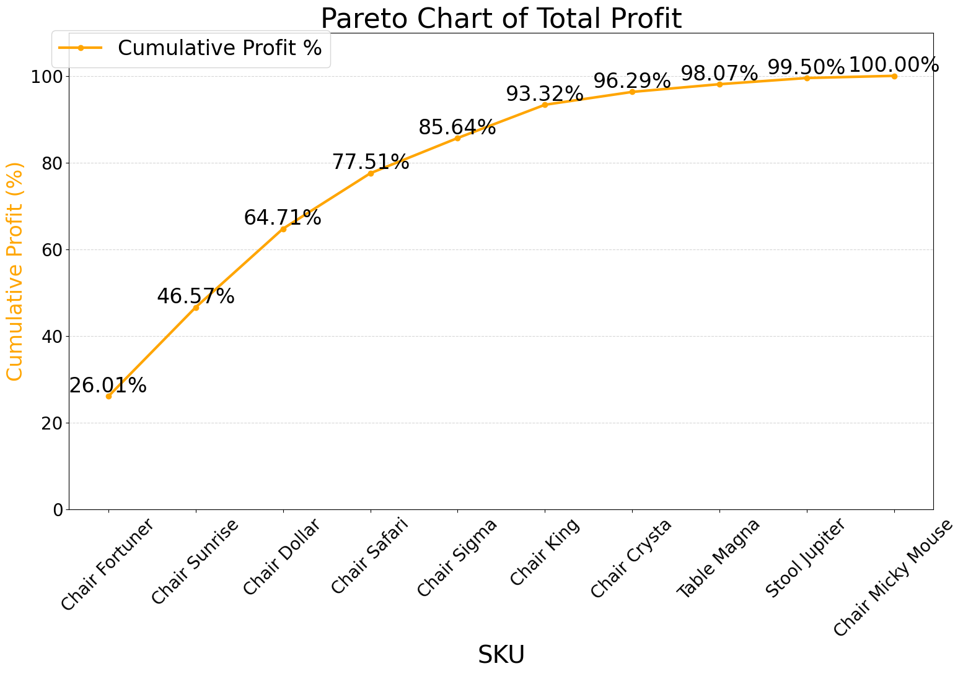
SKU |  | COST PRICE | SELLING PRICE | PROFIT | PROFIT %
CHAIR KING |  | ₹191.00 | ₹201.00 | ₹10 | 5.24%
TABLE MAGNA |  | ₹185.00 | ₹194.00 | ₹9 | 4.86%
CHAIR MICKY MOUSE |  | ₹84.00 | ₹88.00 | ₹4 | 4.76%
CHAIR SUNRISE |  | ₹149.00 | ₹166.00 | ₹17 | 11.41%
CHAIR FORTUNER |  | ₹231.00 | ₹285.00 | ₹54 | 23.38%
CHAIR SAFARI |  | ₹221.00 | ₹245.00 | ₹24 | 10.86%
CHAIR DOLLAR |  | ₹165.00 | ₹184.00 | ₹19 | 11.52%
STOOL JUPITER |  | ₹86.00 | ₹90.00 | ₹4 | 4.65%
CHAIR SIGMA |  | ₹158.00 | ₹205.00 | ₹47 | 29.75%
CHAIR CRYSTA |  | ₹204.00 | ₹215.00 | ₹11 | 5.39%

SKU |  | TOTAL COST | TOTAL REVENUE | PROFIT | PROFIT % OF TOTAL | CUMULATIVE PROFIT % | % OF TOTAL REVENUE
CHAIR FORTUNER |  | ₹185,262 | ₹228,570 | ₹43,308 | 26.01% | 26.01% | 14.09%
CHAIR SUNRISE |  | ₹300,086 | ₹334,324 | ₹34,238 | 20.56% | 46.57% | 20.62%
Cost Price Vs Selling Price
CHAIR DOLLAR |  | ₹262,350 | ₹292,560 | ₹30,210 | 18.14% | 64.71% | 18.04%
Profit Contribution Of Each SKU
CHAIR SAFARI |  | ₹196,248 | ₹217,560 | ₹21,312 | 12.80% | 77.51% | 13.42%
CHAIR SIGMA |  | ₹45,504 | ₹59,040 | ₹13,536 | 8.13% | 85.64% | 3.64%
CHAIR KING |  | ₹244,480 | ₹257,280 | ₹12,800 | 7.69% | 93.32% | 15.87%
CHAIR CRYSTA |  | ₹91,596 | ₹96,535 | ₹4,939 | 2.97% | 96.29% | 5.95%
TABLE MAGNA |  | ₹60,865 | ₹63,826 | ₹2,961 | 1.78% | 98.07% | 3.94%
STOOL JUPITER |  | ₹51,342 | ₹53,730 | ₹2,388 | 1.43% | 99.50% | 3.31%
CHAIR MICKY MOUSE |  | ₹17,388 | ₹18,216 | ₹828 | 0.50% | 100.00% | 1.12%
TOTAL |  | ₹1,455,121 | ₹1,621,641 | ₹166,520

PRODUCT | % OF TOTAL REVENUE | CUMULATIVE %
CHAIR SUNRISE | 20.62% | 20.62%
CHAIR DOLLAR | 18.04% | 38.66%
CHAIR KING | 15.87% | 54.53%
CHAIR FORTUNER | 14.09% | 68.62%
CHAIR SAFARI | 13.42% | 82.04%
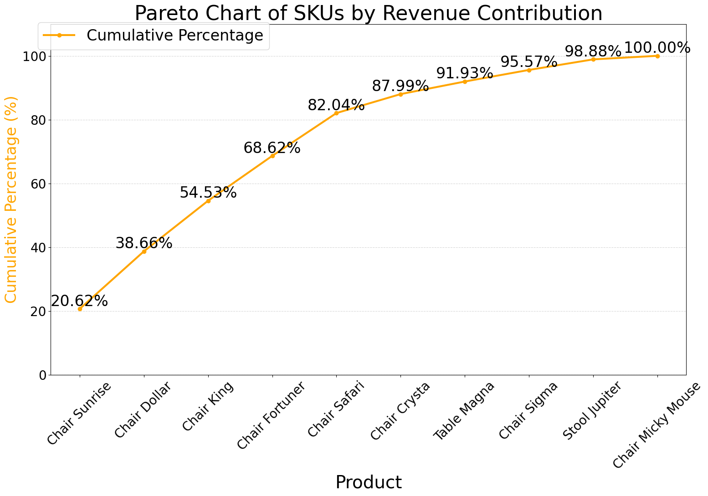
Profit % Vs Revenue % of SKUs
CHAIR CRYSTA | 5.95% | 87.99%
TABLE MAGNA | 3.94% | 91.93%
CHAIR SIGMA | 3.64% | 95.57%
STOOL JUPITER | 3.31% | 98.88%
CHAIR MICKY MOUSE | 1.12% | 100.00%

Class A | Class B | Class C
CHAIR SUNRISE | CHAIR CRYSTA | STOOL JUPITER
CHAIR DOLLAR | TABLE MAGNA | CHAIR MICKY MOUSE
CHAIR KING | CHAIR SIGMA
CHAIR FORTUNER
CHAIR SAFARI

PL Insights
Contribution To Fixed Cost
Fixed Cost Analysis |  |  | Salaries
 | COST |  |  | COST
ELECTRICITY | ₹2,300 |  | Staff 1 | ₹6,000
Salaries | ₹64,000 |  | Staff 2 | ₹7,000
Unloading | ₹3,600 |  | Staff 3 | ₹6,000
TOTAL FIXED COST | ₹69,900 |  | Owner | ₹45,000
 |  |  | TOTAL SALARIES | ₹64,000

BALENCE SHEET
VARIABLES | VALUE | REMARK
TOTAL REVENUE | ₹1,621,641 | FARELY GOOD
INSIGHTS
GROSS PROFIT | ₹166,520
NORMALISED FIXED COSTS | ₹69,900 | MAJORLY FROM MONTHLY FIXED EXPENSES
NET PROFIT | ₹96,620
GROSS PROFIT RATIO | 10.27%
NET PROFIT RATIO | 5.96% | FARELY GOOD FOR A WHOLESALE STORE

